Sheet1
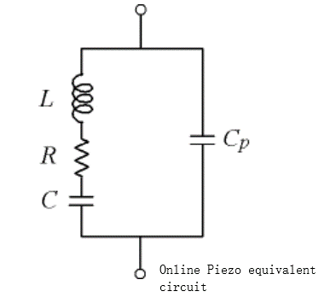
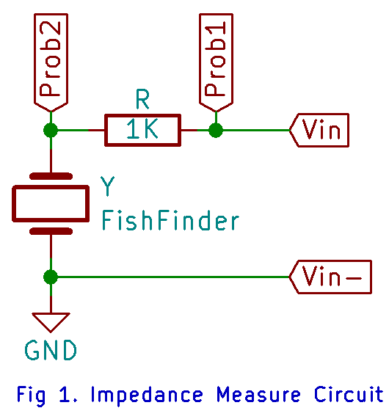
Fig 1 Circuit |  |  |  | Voltage -> current phase
Feq (Khz) | Vfish (Prob2-Gnd) Vpp (V) | Vr (Prob1-Prob2) Vpp | Current (Vr/R) (A) | Vfish -> Ifish angle (deg) | V/I | Re{z} | Im{z}
300 | 3.47 | 8.72 | 0.00872 | -89.2 | 397.936 | 5.557 | -397.897
250 | 4.3 | 7.95 | 0.00795 | -80.1 | 540.881 | 92.994 | -532.826
225 | 4.362 | 8.15 | 0.00815 | -86.1 | 535.215 | 36.403 | -533.975
210 | 4.58 | 7.074 | 0.007074 | -71.1 | 647.441 | 209.718 | -612.535
205 | 3.956 | 7.411 | 0.007411 | -69.5 | 533.801 | 186.942 | -499.996
200 | 3.77 | 7.93 | 0.00793 | -75.52 | 475.410 | 118.873 | -460.308
195 | 4.139 | 8.074 | 0.008074 | -82.7 | 512.633 | 65.138 | -508.478
190 | 4.404 | 7.969 | 0.007969 | -83.8 | 552.641 | 59.686 | -549.409
175 | 4.71 | 7.88 | 0.00788 | -84.09 | 597.716 | 61.545 | -594.539
150 | 5.7 | 7.53 | 0.00753 | -83.88 | 756.972 | 80.703 | -752.658
120 | 6.21 | 7.08 | 0.00708 | -84.46 | 877.119 | 84.679 | -873.022
100 | 7.38 | 6.01 | 0.00601 | -87.5 | 1227.953 | 53.564 | -1226.785
90 | 8.01 | 4.89 | 0.00489 | -84.58 | 1638.037 | 154.724 | -1630.713
85 | 8.28 | 3.79 | 0.00379 | -76.76 | 2184.697 | 500.365 | -2126.625
82 | 8.39 | 2.19 | 0.00219 | -54.11 | 3831.050 | 2245.883 | -3103.700
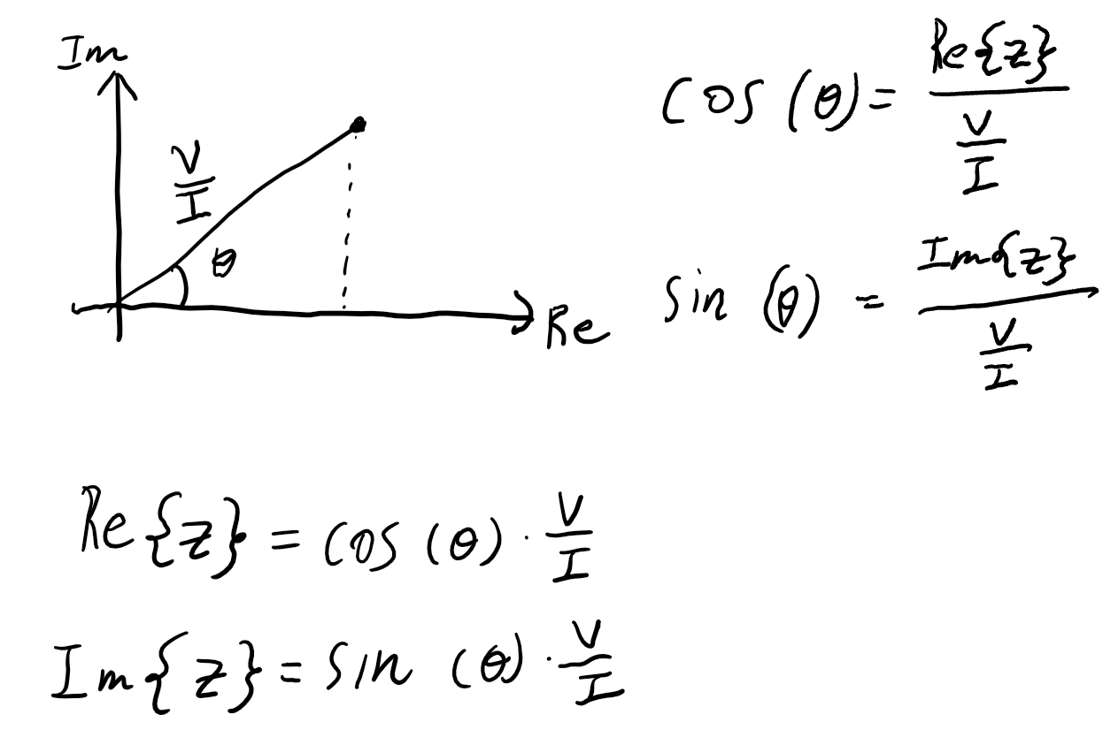
81.5 | 8.21 | 1.85 | 0.00185 | -39.77 | 4437.838 | 3411.006 | -2838.915
81 | 8.07 | 1.69 | 0.00169 | -18.01 | 4775.148 | 4541.178 | -1476.393
80.9 | 8.015 | 1.708 | 0.001708 | -13.6 | 4692.623 | 4561.047 | -1103.432
80.7 | 7.92 | 1.74 | 0.00174 | -5.4 | 4551.724 | 4531.523 | -428.355
80.6 | 7.879 | 1.804 | 0.001804 | 0.6 | 4367.517 | 4367.277 | 45.736
80.5 | 7.789 | 1.872 | 0.001872 | 4.3 | 4160.791 | 4149.079 | 311.971
80.4 | 7.762 | 1.952 | 0.001952 | 9.3 | 3976.434 | 3924.167 | 642.606
80.3 | 7.697 | 2.044 | 0.002044 | 12.6 | 3765.656 | 3674.967 | 821.452
80.1 | 7.525 | 2.255 | 0.002255 | 20.1 | 3337.029 | 3133.785 | 1146.801
80 | 7.429 | 2.411 | 0.002411 | 22.9 | 3081.294 | 2838.444 | 1199.004
79.7 | 7.103 | 2.869 | 0.002869 | 31.2 | 2475.776 | 2117.690 | 1282.518
79.5 | 6.884 | 3.217 | 0.003217 | 34.5 | 2139.882 | 1763.533 | 1212.042
79 | 6.097 | 4.121 | 0.004121 | 38.9 | 1479.495 | 1151.408 | 929.068
78 | 4.046 | 5.922 | 0.005922 | 34.8 | 683.215 | 561.022 | 389.920
77.5 | 3.134 | 6.621 | 0.006621 | 24.9 | 473.342 | 429.342 | 199.294
77.3 | 2.768 | 6.84 | 0.00684 | 18.7 | 404.678 | 383.316 | 129.745
77.1 | 2.493 | 7.059 | 0.007059 | 10.5 | 353.166 | 347.252 | 64.359
77 | 2.41 | 7.141 | 0.007141 | 6.4 | 337.488 | 335.384 | 37.619
76.9 | 2.326 | 7.222 | 0.007222 | 1.6 | 322.071 | 321.946 | 8.993
76.8 | 2.229 | 7.303 | 0.007303 | -3.1 | 305.217 | 304.770 | -16.506
76.71 | 2.1854 | 7.335 | 0.007335 | -8.4 | 297.941 | 294.745 | -43.524
76.6 | 2.142 | 7.367 | 0.007367 | -13.9 | 290.756 | 282.242 | -69.848
76.5 | 2.155 | 7.442 | 0.007442 | -18.9 | 289.573 | 273.961 | -93.798
76.3 | 2.174 | 7.575 | 0.007575 | -29.4 | 286.997 | 250.036 | -140.888
76.1 | 2.26 | 7.609 | 0.007609 | -38.4 | 297.017 | 232.770 | -184.491
75.9 | 2.393 | 7.701 | 0.007701 | -45.9 | 310.739 | 216.247 | -223.150
75.5 | 2.73 | 7.772 | 0.007772 | -58.1 | 351.261 | 185.620 | -298.210
75 | 3.2 | 7.772 | 0.007772 | -67.1 | 411.734 | 160.216 | -379.284
74 | 4.101 | 7.728 | 0.007728 | -76.5 | 530.668 | 123.882 | -516.005
73 | 4.776 | 7.598 | 0.007598 | -81.6 | 628.586 | 91.827 | -621.843
72 | 5.325 | 7.424 | 0.007424 | -84.3 | 717.268 | 71.240 | -713.722
70 | 6.445 | 7.11 | 0.00711 | -86.5 | 906.470 | 55.340 | -904.779
68 | 6.621 | 6.769 | 0.006769 | -87.4 | 978.136 | 44.372 | -977.129
65 | 7.063 | 6.391 | 0.006391 | -88.1 | 1105.148 | 36.643 | -1104.540
60 | 7.609 | 5.787 | 0.005787 | -88.1 | 1314.844 | 43.596 | -1314.121

Sheet2
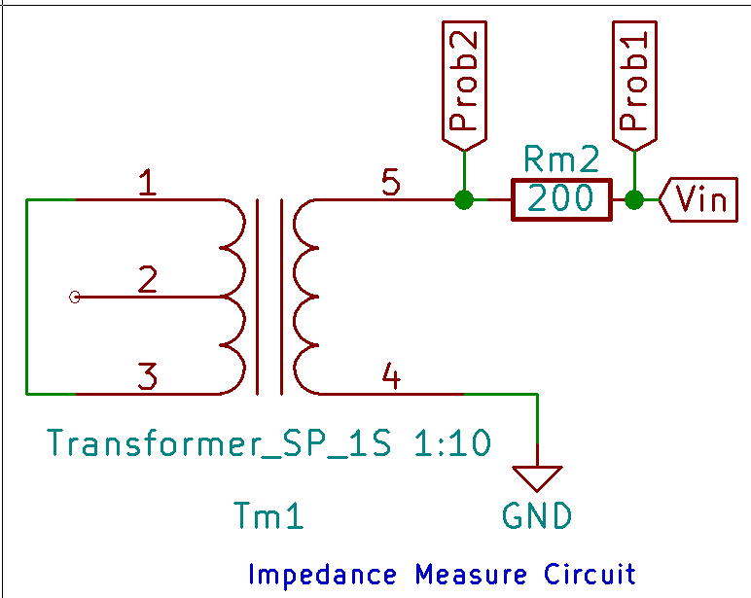
Resistance (ohm)
199.17 |  |  |  | Voltage -> current phase
 | Feq (Khz) | Vcoil (Prob2-Gnd) Vpp (V) | Vr (Prob1-Prob2) Vpp | Vfish -> Ifish angle (deg) | Current (Vr/R) (A) | V/I | Re{z} | Im{z} | Im{z} of finsh finder
 | 250 | 5.92 | 10.33 | 82.3 | 0.051865240749 | 114.14195547 | 15.293582447 | 113.1127417
 | 220 | 5.347 | 10.53 | 81.8 | 0.052869408043 | 101.13599145 | 14.425039334 | 100.10198303
 | 200 | 4.94 | 10.66 | 81.2 | 0.053522116785 | 92.298292683 | 14.12044068 | 91.211775485
 | 180 | 4.53 | 10.78 | 80.5 | 0.054124617161 | 83.695742115 | 13.81387982 | 82.547888965
 | 150 | 3.875 | 10.95 | 79.6 | 0.054978159361 | 70.482534247 | 12.723528188 | 69.324594945
 | 130 | 3.41 | 11.06 | 78.4 | 0.055530451373 | 61.407748644 | 12.347811964 | 60.153496434
 | 120 | 3.158 | 11.1 | 77.3 | 0.055731284832 | 56.664762162 | 12.457595876 | 55.278418717
 | 110 | 2.91 | 11.15 | 76.6 | 0.055982326656 | 51.980690583 | 12.046473166 | 50.565548328
 | 100 | 2.678 | 11.19 | 75.2 | 0.056183160114 | 47.66552815 | 12.176008055 | 46.084133947
 | 90 | 2.446 | 11.24 | 74 | 0.056434201938 | 43.342510676 | 11.946860489 | 41.663482286
 | 85 | 2.33 | 11.25 | 73.1 | 0.056484410303 | 41.25032 | 11.991601044 | 39.4688536
 | 82 | 2.51 | 11.27 | 72.6 | 0.056584827032 | 44.358181012 | 13.264950896 | 42.328351024
 | 81 | 2.238 | 11.26 | 72.2 | 0.056534618667 | 39.586364121 | 12.10140577 | 37.691327951 | -1476.3932626
 | 80 | 2.214 | 11.27 | 71.9 | 0.056584827032 | 39.127096717 | 12.155906131 | 37.190908078
 | 79 | 2.19 | 11.27 | 71.7 | 0.056584827032 | 38.702954747 | 12.152474655 | 36.745558452
 | 78 | 2.166 | 11.27 | 71.7 | 0.056584827032 | 38.278812777 | 12.01929685 | 36.3428674
 | 77 | 2.151 | 11.28 | 71.5 | 0.056635035397 | 37.980023936 | 12.05127641 | 36.017342421
 | 76 | 2.12 | 11.28 | 71.3 | 0.056635035397 | 37.432659574 | 12.001434201 | 35.456587257
 | 75 | 2.096 | 11.29 | 71 | 0.056685243762 | 36.976113375 | 12.038281584 | 34.961589449
 | 74 | 2.066 | 11.29 | 71.1 | 0.056685243762 | 36.446875111 | 11.80581383 | 34.481842543
 | 73 | 2.041 | 11.29 | 70.7 | 0.056685243762 | 36.005843224 | 11.900484826 | 33.982336694
 | 72 | 2.018 | 11.3 | 70.9 | 0.056735452126 | 35.568589381 | 11.638714217 | 33.610487677
 | 71 | 1.994 | 11.3 | 70.4 | 0.056735452126 | 35.145573451 | 11.789672146 | 33.109137166
 | 70 | 1.97 | 11.3 | 70.1 | 0.056735452126 | 34.722557522 | 11.818882252 | 32.649196364
 | 69 | 1.946 | 11.31 | 69.7 | 0.056785660491 | 34.269214854 | 11.88924541 | 32.140705193
 | 68 | 1.922 | 11.31 | 69.6 | 0.056785660491 | 33.846572944 | 11.798001776 | 31.723771121
 | 67 | 1.899 | 11.31 | 69.4 | 0.056785660491 | 33.441541114 | 11.766158977 | 31.303261412

